Sheet1
 |  |  | Homai Train Station - Inspection and Test Plan

Project Area |  | Homai Train Station |  |  |  | Rev | 2 |  | Inspection and Test Codes:
Activity Title |  | Bridge Access Ramp Construction |  |  |  | Date | 2024-12-31 |  | [R] Review | Review of reports, records or other evidence of compliance.
Location |  |  |  |  |  | Lot No. |  |  | [I] Inspection | In process check, work proceeds. Record the check if required.
Ref # |  | DN1212-ITP-010 |  |  |  |  |  |  | [W] Witness | Inspection to be witnessed on site and recorded. Record to be filed.
DNZ Project Manager: |  | Dan Trotman |  |  |  |  |  |  | [H] Hold | No work to proceed past Hold Point until this is completed, recorded and released
AT Project Manager: |  | Werner Nel
DNZ Project Engineer: |  | Grant Wallace
Drawings/Reference Documents: |  | 3235599-SP03-ST-3001 - PROPOSED ACCESS RAMP- GENERAL NOTES 3235599-SP03-ST-3002 - PROPOSED ACCESS RAMP- GENERAL NOTES- REINFORCED CONCRETE (SHEET1 OF 2) 3235599-SP03-ST-3003 - PROPOSED ACCESS RAMP- GENERAL NOTES- REINFORCED CONCRETE (SHEET2 OF 2) 3235599-SP03-ST-3004 - PROPOSED ACCESS RAMP- GENERAL NOTES- STRUCTURAL STEELWORK 3235599-SP03-ST-3005 - PROPOSED ACCESS RAMP- GENERAL NOTES- STRUCTURAL STEELWORK 3235599-SP03-ST-3100 - PROPOSED ACCESS RAMP- PROPOSED ACCESS RAMP GENERAL ARRANGEMENT PLAN AND ELEVATION 3235599-SP03-ST-3253 - PROPOSED ACCESS RAMP - CONCRETE RAMP 3235599-SP03-ST-3500 - PROPOSED ACCESS RAMP - STEEL WORK (SHEET 1) Temporary Works Drawings - Ramp wall pouring sections (first and second pouring)
Specifications: |  | NZS 3104: Specification for Concrete Production NZS 3109: Concrete Construction NZS 3101: Concrete Structures Standard NZS 3121: Specification for Methods of test for Concrete NZS 3114: Specifications for Concrete Surface Finishes App 1C - 746-24-847-AC - Tech Spec - Geo & Struc NZS 3101:2006 Concrete Structures Standard NZS 3104:2021 Specification for Concrete Production AS/NZS 4671:2019 Steel for the Reinforcement of Concrete Waka Kotahi NZ Transport Agency Bridge Manual Third Edition, Amendment 4 AS/NZS 4671 - Steel for the reinforcement of Concrete
ITP Item # | Construction Activity or Material Element |  | Standard, Drawing or Specification Reference | Construction Activity Description, Test Type and Acceptance Criteria |  | Test Frequency |  | QA Record | Verification Method and On Site Responsibilities |  |  | DNZ Rep Sign and Date
 |  |  |  |  |  |  |  |  | DNZ Engineer | Engineer's Rep | Designer Rep
1 | PRELIMINARY AND GENERAL
1.1 | Method Statement Development & Safety Analysis |  | The Downer Standards (TDS) | Prior to Construction: Document Review Method Statement & JSEA Completed & signed by relevant authority |  | Once |  | Work pack (MS,JSEA,ITP) | H | R | R | Sign | Date
1.2 | IFC Drawings and Specification |  | ACC | A minimum of two weeks prior to construction: document review. DWG’s are for construction or as per instruction Works done in accordance with KiwiRail specification |  | Once |  | N/A | R |  |  | Sign | Date
1.3 | Model |  | ACC | Model reviewed and confirmed with correct location; depth, height and orientation for column, headstock and staircase |  | Once |  | N/A | R |  |  | Sign | Date
1.4 | Permit to Dig |  | DG-ZH-ST004 Ground Disturbance | Prior to construction. Permit in work package |  | Permit issued each week |  | FlowForm Permit Register/Permit Number …...... | H |  |  | Sign | Date
1.5 | Lifting Permit |  | DG-ZH-ST047 Cranes and Lifting Equipment Loads | Prior to construction. Permit in work package |  | Prior to Construction when required |  | FlowForm Permit Register/Permit Number …...... | H |  |  | Sign | Date
2 | MATERIAL APPROVALS
2.1 | Concrete Mix Design |  | NZS 3104 3235599-SP03-ST-3253 Section 2.1 | Concrete mix details shall be provided to the Engineer for review and approval. 50MPa @ 28 Day Compressive Strength. |  | Once |  | Mix Certification Plant Certification InEight Approval .................. | R |  | H | Sign | Date
2.2 | Reinforcing Steel |  | 3235599-SP03-ST-3253: Note 2.3 AS/NZS 4671 | As per Access Ramp Reinforcing IFC detail drawings. Shop Drawings shall be provided to the Engineer for review and approval. Reinforcing steel to be grade 500E MA. |  | Once |  | Mill Test Certificates Delivery Dockets Shop Drawing Approval ................... | I |  | H | Sign | Date
2.3 | Formwork |  | MDS Temporary works drawings | Formwork of choice from sub-contractor, Standard panels up to 900mm wide modules Full range of safety features High Quality plywood to provide F5 finish. |  | Once |  | MDS | I |  | R | Sign | Date
2.4 | Formwork Curing Agent |  | Material Data Sheet | Chemical curing agent. |  | Once |  | MDS | R |  | R | Sign | Date
2.5 | RCC65 |  | Material Data Sheet | Recycled crushed concrete 65. |  | Once |  | Test Reports InEight Approval ............... | R |  | R | Sign | Date
2.6 | Geotextile (Bidim) |  | MDS | Geotextile A29 or similar approved material. |  | Once |  | MDS | R |  | R | Sign | Date
3 | CONSTRUCTION ACTIVITIES
3.1 | Survey Setout |  | 3235599-SP03-ST-3100, 3235599-SP03-ST-3253 | 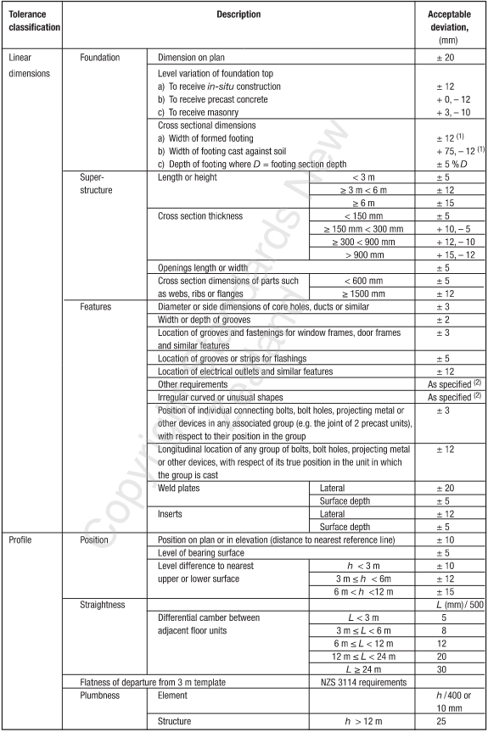 Survey set out Ramp position based on model. Set out to include; Centre of Ramp, height and offsets. Tolerances for insitu concrete pour taken from NZS 3109 table 5.2 |  | Once |  | As-Built | W |  |  | Sign | Date
3.2 | Excavation |  | 3235599-SP03-ST-3250: Note 3.5 | Excavation to be 500mm below existing platform level. Insitu subgrade material at the base of undercut shall be inspected by the Engineer to confirm design assumptions prior to backfilling. |  | Once |  | Photos | I |  |  | Sign | Date
3.3 | Subgrade Testing |  | 3235599-SP03-ST-3253 3235599-SP03-ST-3250 | Minimum subgrade shear strength of 40kPa. |  | Once |  | Shear Vane Test Results Photos | H |  | I | Sign | Date
3.4 | Subgrade Undercut (If required) |  | 746-24-847-AC Tech Spec Section C0302.4.2 3235599-SP03-ST-3250: Note 3.2 | Prior to subgrade undercutting, the Engineer shall confirm the extent of subgrade undercut and fill requirements. Undercut area to be wrapped in A29, backfilled and compacted in layers of 200mm RCC65. |  | Once |  | As-Built Photo | I |  | H | Sign | Date
3.5 | Backfill & Compaction |  | 3235599-SP03-ST-3250 746-24-847-AC | Backfill lift to be backfilled at maximum 200mm lifts. Each lift to be tested to a minimum of MDD of 95% |  | Once |  | NDM Test Results Photos As-Built | H |  | I | Sign | Date
3.6 | Formwork Installation |  | MDS | As per Temporary works drawings for Access Ramp. |  | Once |  | Prepour Checksheet Photos | H |  | H | Sign | Date
3.7 | Reinforcing Installation |  | 3235599-SP03-ST-3253 | Installed as per IFC detail drawing & shop drawing details |  | Once |  | Pre-Pour Checksheet Photos | H |  | I | Sign | Date
3.8 | Concrete Pre-Pour Inspection |  | 3235599-SP03-ST-3253: Note 2.2 | Reinforcing cage as per IFC and shop drawings. Correct number of bars and grade. Correct steel lapping. Minimum cover to be 40mm or 75mm if casted directly on ground. |  | Once |  | Survey Check Structural Engineer Inspection MSQA SVR Pre-Pour Checklist Photos | I |  | H | Sign | Date
3.9 | Concrete Pour |  | 3235599-SP03-ST-3253: Note 2.1 NZS3104:2021 | Concrete: 50MPa as approved by designer. Cylinder test taken at supply Yard only for 7 and 28 days. |  | Each Pour |  | Delivery Dockets Compressive Test Results Photos | H |  | W | Sign | Date
3.10 | Slab joints |  | 3235599-SP03-ST-3253, Detail C | All joints between concrete ramp sections to have PEF rod and SikaFlex 11C grey or equivalent on outer face. |  | Each Ramp section. |  | MDS & Photos | I |  | W | Sign | Date
3.11 | Ramp Surface Finish |  | 3235599-SP03-ST-3253: Note 2.4 NZBC D1. | All surfaces subjected to foot traffic to have F5 finish (Exposed Aggregate finish). |  | Once |  | Prepour Checksheet Photos | I |  | I | Sign | Date
4 | FINAL RECORDS
4.1 | As-Built |  | N/A | Installed as per design drawings. All compliance recorded CAD files |  | Once |  | As-Built | H |  | R | Sign | Date
4.2 | Redline Mark-Up |  | DN1199-PLA-0006 | IFC Drawings mark-Up on PDF |  | Once |  | IFC Drawings Mark-Up on PDF | H |  | R | Sign | Date
4.3 | Non-conformances |  | DN1199-PLA-0006 | Non-conformances reports to be raised when specification not met. All non-conformances within the area under review need to be listed on the NCR report. NCR Reference ….................. |  | Each NCR |  | NCR forms on InEight DN1190-PLA-0006 | H |  | R | Sign | Date
Comments:
ITP APPROVAL PROCESS
Prepared By: Site Engineer |  |  | Moses Kaufanga |  | Signed: Moses Kaufanga |  | Date: 16/12/2024
Reviewed By: Project Manager |  |  | Dan Trotman |  | Signed: |  | Date:
Reviewed by: Quality Mge./Eng. |  |  | Nas Matar |  | Signed: |  | Date:
Reviewed By: Design Engineer |  |  | Daniel Cvitanich |  | Signed: |  | Date:
Reviewed By: AT Project Manager |  |  | Werner Nel |  | Signed: |  | Date:
Reviewed By: AT Engineer to Contract |  |  | Mike Robertson |  | Signed: |  | Date:
FINAL ITP CLOSE-OUT
Downer Project/Site Engineer |  |  |  |  | Signed: |  | Date:
QA Mgr./Engineer |  |  |  |  | Signed: |  | Date:
Engineer Rep(Assistant) |  |  |  |  | Signed: |  | Date:

